OT_Inventory_C
S No | Europe - OT Source : png_mdsdb.pg_ot_processing_activities_inventory_final | California Consumer Protection Act CCPA Source : png_mdsdb.pg_ot_ccpa_pa_inventory_c_final
1 | # of Data Stakeholders from EU | num_of_Data_Stakeholders_from_US
2 | Additional Information | Not Available
3 | ADM | ADM
4 | Adverse Event Information | Adverse_Event_Information
5 | Age Class
6 | Asset ID | Not Available
7 | Biometric data | Biometric_Data
8 | Business Contact | Not Available
9 | Business Process / Service | Business_Process
10 | Business Process Owner | Business_Process_Owner_903456066
11 | Calendar Date | Common Attribute
12 | Calendar Month | Common Attribute
13 | Calendar Year | Common Attribute
14 | Compliance Prioritization2
15 | Consumer Account Username And Password | Consumer_account_username_and_password
16 | Contractual Data - LEs
17 | Country Collected | Country_collected
18 | Credit Card Numbers | Credit_Card_Numbers
19 | Criminal or Judicial Records | Criminal_or_judicial_records
20 | Custom Field #1 | custom_field_1
21 | Custom Field #10 | custom_field_10
22 | Custom Field #2 | custom_field_2
23 | Custom Field #3 | custom_field_3
24 | Custom Field #4 | custom_field_4
25 | Custom Field #5 | custom_field_5
26 | Custom Field #6 | custom_field_6
27 | Custom Field #7 | custom_field_7
28 | Custom Field #8 | custom_field_8
29 | Custom Field #9 | custom_field_9
30 | Data About Children Under 13 | Data_about_children_under_13
31 | Data About Teens Between 13-15 Years Old | Data_about_teens_13_15_years_old
32 | Data Breach Response: Criteria
33 | Data Breach Response: Evidence
34 | Data Breach Response: Result
35 | Data Breach Response: Scope
36 | Data Breach Response: Status
37 | Data From Children | Data_From_Children
38 | Data Retention
39 | Data Retention: Criteria | Data_Retention_Criteria
40 | Data Retention: Evidence | Data_Retention_Evidence
41 | Data Retention: Result
42 | Data Retention: Scope
43 | Data Retention: Status | Data_retention_Status
44 | Data Subject Rights: Criteria | Data_Subject_Rights_Criteria
45 | Data Subject Rights: Evidence | Data_Subject_Rights_Evidence
46 | Data Subject Rights: Result
47 | Data Subject Rights: Scope
48 | Data Subject Rights: Status | Data_Subject_Rights_Status
49 | Data Subject Type - P&G | Data_subject_type
50 | Data Subject Type - P&G - Other | Data_subject__type_0249204014
51 | Description | Description
52 | Digital Signature Data | Digital_signature_data
53 | DPIA: Criteria | NOT Applicable
54 | DPIA: Evidence
55 | DPIA: Result
56 | DPIA: Scope
57 | DPIA: Status
58 | Electronic Identification Data | Electronic_identification_data
59 | Family Composition | Family_composition
60 | Financial Account Number | Financial_account_number
61 | Genetic Data | Genetic_data
62 | Government ID, government-issued ID | Government_ID
63 | Identification Data | Identification_data
64 | Image/Sound Recordings | Image_sound_recordings
65 | Inventory ID | ID
66 | Inventory: Criteria | Inventory_Criteria
67 | Inventory: Evidence | Inventory_Evidence
68 | Inventory: Result
69 | Inventory: Scope
70 | Inventory: Status | Inventory_Status
71 | L0 Managing Organization
72 | L1 Managing Organizaion | Not Required
73 | L2 Managing Organization | Not Required
74 | L3 Managing Organization | Not Required
75 | Last Reviewed Date | Last_review_date
76 | Last Reviewed Date (Internal) | Not Required
77 | Last Reviewed Reviewer | Last_reviewed_reviewer
78 | Lawfulness Basis: Criteria | Lawfulness_Basis_Criteria
79 | Lawfulness Basis: Evidence | Lawfulness_Basis_Evidence
80 | Lawfulness Basis: Result
81 | Lawfulness Basis: Scope
82 | Lawfulness Basis: Status | Lawfulness_Basis_Status
83 | Managing Organization | Owning_Organization_Grouping
84 | MEGA Record ID
85 | Minimizaiton: Result
86 | Minimization: Criteria | Minimization_Criteria
87 | Minimization: Evidence | Minimization_Evidence
88 | Minimization: Scope
89 | Minimization: Status | Minimization_Status
90 | Month Year Trend
91 | Next Reviewed Date
92 | Notice: Criteria | Notice_Criteria
93 | Notice: Evidence | Notice_Evidence
94 | Notice: Result
95 | Notice: Scope
96 | Notice: Status | Notice_Status
97 | Other Health Or Medical Data
98 | Owning Organization | Owning_Organization
99 | P&G Sites / Departments
100 | Personal Characteristics | Personal_characteristics
101 | PG Users
102 | PII Data Type Final - SP formula
103 | PII Handled
104 | Political opinions, political party affiliation | Political_opinions
105 | Precise Geo Location Data | Precise_geolocation_data
106 | Processing Activity
107 | Processing Activity - Repository Sub-Type
108 | Processing Activity - Repository Type | Repository_Type
109 | Processing Activity Life Cycle Status | Life_Cycle_Status
110 | Processing Activity Linked to P&G System
111 | Profession | Profession
112 | Protected Health Information (“PHI”) as defined by HIPAA | PHI_as_defined_by_HIPAA
113 | Purchasing Contact
114 | Racial or Ethnic Origin | Racial_or_ethnic_origin
115 | Reason For Collection
116 | Reasonable InfoSec: Criteria | Reasonable_InfoSec_Criteria
117 | Reasonable InfoSec: Evidence | Reasonable_InfoSec_Evidence
118 | Reasonable InfoSec: Result
119 | Reasonable InfoSec: Scope
120 | Reasonable InfoSec: Status | Reasonable_InfoSec_Status
121 | Recipients of the Data
122 | Related IT Asset ID
123 | Religious Or Philosophical Beliefs | Religious_or_philosophical_beliefs
124 | Remediation Icontract
125 | Remediation Required
126 | Remediation TPRM
127 | Remediation: GUV Number | Remediation_GUV_Number
128 | Retired Date | Retired_Date
129 | RoPA linked to IT Asset | RoPA_linked_to_IT_Asset
130 | SAP Vendor Name | SAP_Vendor_Name
131 | SAP Vendor Number | SAP_Vendor_Number
132 | Scope Number | SCOPE_Number
133 | Sex Life, Sexual Orientation Questions | Sex_life
134 | Source Type
135 | SPO Record Id
136 | Third-Party Contact
137 | Third-Party Users
138 | TISL Backup
139 | TISL Primary
140 | Trade Union Membership | Trade_union_membership
141 | Trans-border Data Transfer
142 | Transfer to 3rd countries - Details
143 | Vendor Qualification | Vendor_qualification
144 | Vendors: Criteria | Vendors_Criteria
145 | Vendors: Evidence | Vendors_Evidence
146 | Vendors: Result
147 | Vendors: Scope
148 | Vendors: Status | Vendors_Status
149 | Volume Risk Level
150 | Volumes of Records - All Countries
151 | Workstream
152 | XLS Template ID | XLS_Template_ID

 | Observation 1
 | Workstream Attirbute is Not available , hence Segregation will not be available.

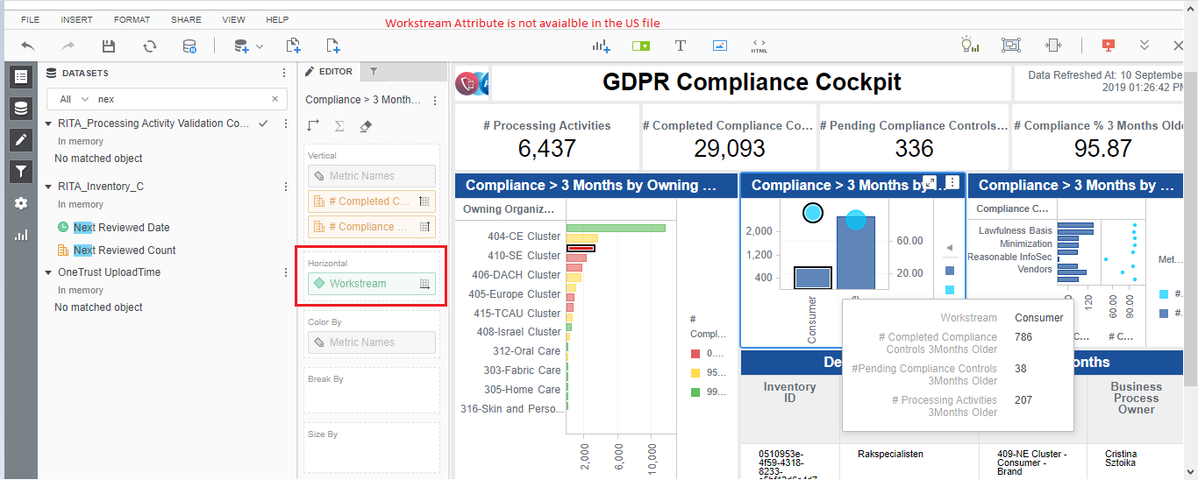

S No | Metrics | Metric Defination
1 | Inventory_Count | SELECT Count(distinct a.ID) as CNT FROM png_mdsdb.pg_ot_ccpa_pa_inventory_c_final a where a.cdctype='X';
2 | Next_Reviewed_Count
3 | Reviewed_Count

